Overview
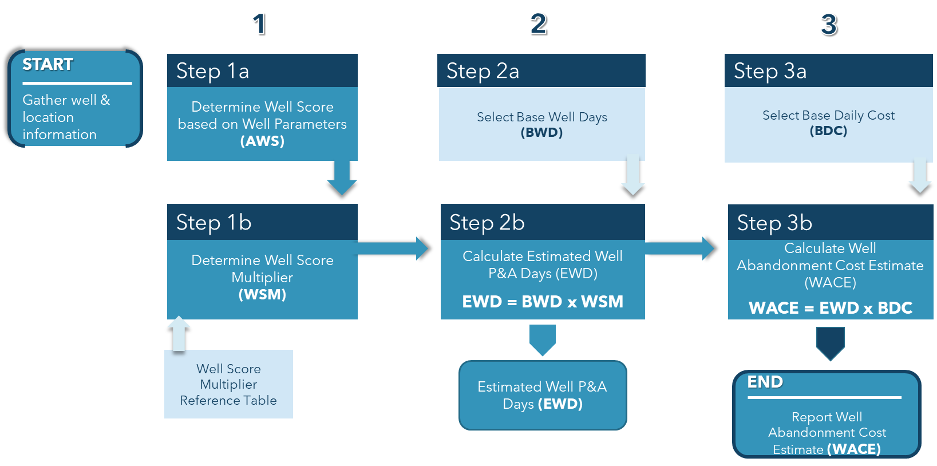
CalGEM Contact Information
CalGEMCostEstimates@conservation.ca.gov
Version Update: August 2023

CalGEM SB 551 Cost Estimate Regulations
Senate Bill SB 551 (2019, Public Resources Code 3205.7) requires operators of oil and gas wells to submit cost estimates to CalGEM for the total cost of plugging and abandonment for each of their wells, the decommissioning of all attendant facilities, and the site remediation that is needed to restore each site as required by existing regulations. CalGEM is required to set criteria for the way these cost estimates will be calculated and has developed a set of regulations for this purpose.
Two methods have been developed for operators to generate their cost estimates and are described in the regulation documents.
Method I - Uses baseline estimates provided by CalGEM
Method II - Based on Operator generated estimates
This template has been developed to serve as a resource for the operators in developing thieir estimate using Method 1.
All interested persons are encouraged to evaluate the methods, provide suggestions for improvements, or suggest alternative methods, by providing written comments to:
CalGEMCostEstimates@conservation.ca.gov
Wells Plugging & Abandonment Cost Estimates
Step 1: Aggregated Well Score – Using the Aggregated Well Score Table, determine the Aggregated Well Score for each well based on the specific characteristics of that well and well location. Based upon the Aggregated Well Score, determine the corresponding Well Score Multiplier from the Well Score Multiplier Table.
Step 2: Base Well Calculations – Based on the region where the well is located, identify the appropriate Base Well Days and Base Daily Cost Rate. Then determine the Estimated Well Days for plugging and abandonment of the well by multiplying the Base Well Days by the Well Score Multiplier.
Step 3: Well Abandonment Cost Estimate – Multiply the Estimated Well Days, by the Base Daily Cost Rate, resulting in the Well Abandonment Cost Estimate.
For illustrative purposes, workflow for the steps above is depicted below.
Production Facility Decommissioning Cost Estimates
Step 1: Identification – Identify the lease where the production facility is located, list the production facility type, and quantity of all production facility equipment to be removed and disposed of.
Step 2: Unit Costs – Multiply the quantity of Production Facility Types to be removed and disposed of by the Unit Costs provided in the Production Facility Decommissioning Unit Costs Table to calculate the Base Production Facility Decommissioning Cost of each cost element.
Step 3: Project Components – Calculate the Cost of Other Project Components by summing the costs of: 1) Permitting and Regulatory Compliance, 2) Mobilization and Demobilization, and 3) Project Management and Engineering. Calculate the Contingency Cost based on the Aggregated Risk Score calculated for each production facility, which is based upon the specific characteristics of the production facility to be decommissioned.
Step 4: Production Facility Decommissioning Cost Estimate - Sum the calculated amounts for the Base Facility Decommissioning Cost, Cost of Other Project Components, and the Contingency Cost
For illustrative purposes, workflow for the steps above is depicted below.
Site Remediation Cost Estimates
Step 1: Identification – Identify area around a well site or a production facility site that will require site remediation, list the type and quantity of material to be removed and remediated.
Step 2: Unit Costs – Multiply the quantity of Cost Elements, such as tanks and vessels, to be remediated, by the Unit Cost provided in the Site Remediation Unit Costs Table to calculate Base Site Remediation Cost for each site.
Step 3: Project Components – Calculate the Cost of other Project Components by summing the costs of: 1) Permitting and Regulatory Compliance, 2) Mobilization and Demobilization, and 3) Project Management and Engineering. Calculate the Contingency Cost based on the Aggregated Risk Score calculated for each site, which is based upon the specific characteristics of the site.
Step 4: Site Remediation Cost Estimate - Sum the calculated amounts for the Base Site Remediation Cost, Cost of Other Project Components, and the Contingency.
For illustrative purposes, workflow for the steps above is depicted below.

Well P&A Cost
 |  |  |  |  |  |  |  |  | Well Plug and Abandonment Cost Estimate
` |  |  |  |  |  |  |  |  |  |  | Batch Template (Multiple Wells)

 |  |  |  |  |  |  |  |  |  |  |  |  |  | Well Factors |  |  |  |  |  | Characteristics

Other Environmental
/ Safety Concerns
 |  |  |  |  |  |  |  |  |  |  |  |  |  |  |  |  | Well Location |  |  |  | Well Conditions
# | Region | Field | Lease | Well Name | API # | Spud Date | Review Date | Total Depth |  | Well Age | Age Range | # of Casing Strings | Age Factor | Well Depth Factor | Casing Factor | The well is a critical well as defined by Section 1720, located within a city limit, or is located in an urban area as defined by Section 1760 | The well has an environmentally sensitive wellhead as defined in Section 1760 | The well is in an area of known geologic hazard including subsidence, landslide, or there is a history of damage to the well from seismicity | The well has surface obstacles or other impediments preventing access to the wellhead, including but not limited to buildings or structures, surface-use activities, irrigation systems, roads, terrain, or restricted access | The well, when shut in, has pressure in the casing or tubing at the surface of more than 250 psi, the pressure in the casing or tubing is unknown, or the well is open to the atmosphere, or it is unknown if the well is open to the atmosphere | The well has inadequate casing or inadequate tubing integrity, or the adequacy of the casing or tubing is unknown | The well has known downhole issues that would impede plugging and abandonment of the well and require special tools for intervention, such as junk, stuck rods, packer, scales in casing, or fish, or it is unknown if the well has junk or other downhole issues | The fluid level in the well is above the base of freshwater or USDW, or the fluid level in the well is unknown | History of recorded environmental spill or leaks | Presence of >100 ppm H2S or CO2 production | Aggregated Well Score | Well Score Multiplier | Estimated Well Days | Well Plug & Abandonment Cost
 |  |  |  |  |  |  |  |  |  |  |  |  | 5 | 10 | 8 | 10 | 7 | 5 | 5 | 5 | 6 | 9 | 5 | 5 | 5
1 | Central | Field Name | Lease Name | Well Name 1 | 0412345678 | 2010-04-05 | 2023-08-02 | 1,000 |  | 13 | 0-25 | 2 | 0 | 0 | 0 | N | Y | N | N | N | Y | N | N | Y | Y | 23 | 1.2 | 12 | $81,375
2 | Central | Field Name | Lease Name | Well Name 2 | 0412345679 | 1990-03-04 | 2023-08-02 | 3,000 |  | 33 | 25-50 | 3 | 3 | 4 | 4 | Y | Y | N | N | N | N | Y | Y | N | Y | 47 | 1.5 | 15 | $102,375
3 | Central | Field Name | Lease Name | Well Name 3 | 0412345680 | 1970-02-03 | 2023-08-02 | 5,000 |  | 54 | 50+ | 4 | 5 | 7 | 4 | Y | Y | Y | N | N | Y | N | Y | Y | N | 54 | 1.6 | 16 | $112,000
4 | Central | Field Name | Lease Name | Well Name 4 | 0412345681 | 1950-01-02 | 2023-08-02 | 7,000 |  | 74 | 50+ | 5 | 5 | 10 | 8 | Y | Y | Y | Y | Y | Y | Y | Y | Y | Y | 85 | 2.0 | 20 | $140,000
5 | Northern | Field Name | Lease Name | Well Name 5 | 0412345682 | 2010-04-05 | 2023-08-02 | 1,000 |  | 13 | 0-25 | 2 | 0 | 0 | 0 | N | Y | N | N | N | Y | N | N | Y | Y | 23 | 1.2 | 9 | $111,600
6 | Northern | Field Name | Lease Name | Well Name 6 | 0412345683 | 1990-03-04 | 2023-08-02 | 3,000 |  | 33 | 25-50 | 3 | 3 | 4 | 4 | Y | Y | N | N | N | N | Y | Y | N | Y | 47 | 1.5 | 12 | $140,400
7 | Northern | Field Name | Lease Name | Well Name 7 | 0412345684 | 1970-02-03 | 2023-08-02 | 5,000 |  | 54 | 50+ | 4 | 5 | 7 | 4 | Y | Y | Y | N | N | Y | N | Y | Y | N | 54 | 1.6 | 13 | $153,600
8 | Northern | Field Name | Lease Name | Well Name 8 | 0412345685 | 1950-01-02 | 2023-08-02 | 7,000 |  | 74 | 50+ | 5 | 5 | 10 | 8 | Y | Y | Y | Y | Y | Y | Y | Y | Y | Y | 85 | 2.0 | 16 | $192,000
9 | Southern | Field Name | Lease Name | Well Name 9 | 0412345686 | 2010-04-05 | 2023-08-02 | 1,000 |  | 13 | 0-25 | 2 | 0 | 0 | 0 | N | Y | N | N | N | Y | N | N | Y | Y | 23 | 1.2 | 16 | $203,438
10 | Southern | Field Name | Lease Name | Well Name 10 | 0412345687 | 1990-03-04 | 2023-08-02 | 3,000 |  | 33 | 25-50 | 3 | 3 | 4 | 4 | Y | Y | N | N | N | N | Y | Y | N | Y | 47 | 1.5 | 20 | $255,938
11 | Southern | Field Name | Lease Name | Well Name 11 | 0412345688 | 1970-02-03 | 2023-08-02 | 5,000 |  | 54 | 50+ | 4 | 5 | 7 | 4 | Y | Y | Y | N | N | Y | N | Y | Y | N | 54 | 1.6 | 22 | $280,000
12 | Southern | Field Name | Lease Name | Well Name 12 | 0412345689 | 1950-01-02 | 2023-08-02 | 7,000 |  | 74 | 50+ | 5 | 5 | 10 | 8 | Y | Y | Y | Y | Y | Y | Y | Y | Y | Y | 85 | 2.0 | 28 | $350,000
13 | Central | Field Name | Lease Name | Well Name 13 | 0412345690 | 2010-04-05 | 2023-08-02 | 1,000 |  | 13 | 0-25 | 2 | 0 | 0 | 0 | N | N | N | N | N | N | N | N | N | N | 0 | 1.0 | 10 | $70,000
14 | Northern | Field Name | Lease Name | Well Name 14 | 0412345691 | 2010-04-05 | 2023-08-02 | 1,000 |  | 13 | 0-25 | 2 | 0 | 0 | 0 | N | N | N | N | N | N | N | N | N | N | 0 | 1.0 | 8 | $96,000
15 | Southern | Field Name | Lease Name | Well Name 15 | 0412345692 | 2010-04-05 | 2023-08-02 | 1,000 |  | 13 | 0-25 | 2 | 0 | 0 | 0 | N | N | N | N | N | N | N | N | N | N | 0 | 1.0 | 14 | $175,000
16 | Central | Field Name | Lease Name | Well Name 16 | 0412345693 | 1950-01-02 | 2023-08-02 | 7,000 |  | 74 | 50+ | 5 | 5 | 10 | 8 | Y | Y | Y | Y | Y | Y | Y | Y | Y | Y | 85 | 2.0 | 20 | $140,000
17 | Northern | Field Name | Lease Name | Well Name 17 | 0412345694 | 1950-01-02 | 2023-08-02 | 7,000 |  | 74 | 50+ | 5 | 5 | 10 | 8 | Y | Y | Y | Y | Y | Y | Y | Y | Y | Y | 85 | 2.0 | 16 | $192,000
18 | Southern | Field Name | Lease Name | Well Name 18 | 0412345695 | 1950-01-02 | 2023-08-02 | 7,000 |  | 74 | 50+ | 5 | 5 | 10 | 8 | Y | Y | Y | Y | Y | Y | Y | Y | Y | Y | 85 | 2.0 | 28 | $350,000
 |  |  | Leave this row blank. Insert additonal rows above. |  |  |  |  |  |  |  |  |  |  |  |  |  |  |  |  |  | Leave this row blank. Insert additonal rows above.
 |  |  |  |  |  |  |  |  |  |  |  |  |  |  |  |  |  |  |  |  |  |  |  |  |  |  |  |  | $3,145,726

Comments |  |  |  |  |  |  |  |  |  | Grey cells are computed fields and must not be deleted or modified.
Please provide additional scope of work information here.

